Original
Challenge 141:
Fill Up and Down
For each blank cell, replace the null value with the value from the row above that has the same ID. If there is no upper row, use the value from the next row with the same ID instead.
Question |  | Result |  | https://www.linkedin.com/feed/update/urn:li:activity:7261120376741486592/
ID | Value | ID | Value
A |  | A
A | 51 | A | 51
A | 76 | A | 76
B | 17 | B | 17
B |  | B
B | 43 | B | 43
C | 67 | C | 67
C |  | C
D |  | D
E |  | E
E | 34 | E | 34

Alt1
Question |  | Result |  | https://www.linkedin.com/feed/update/urn:li:activity:7261120376741486592/
ID | Value | ID | Value
A |  | A |  | I am going to drop further work on this.
A | 51 | A | 51 | It is difficult (without PQ) but nothing intrinsically new with it.
A | 76 | A | 76
B | 17 | B | 17
B |  | B
B | 43 | B | 43
C | 67 | C | 67
C |  | C
D |  | D
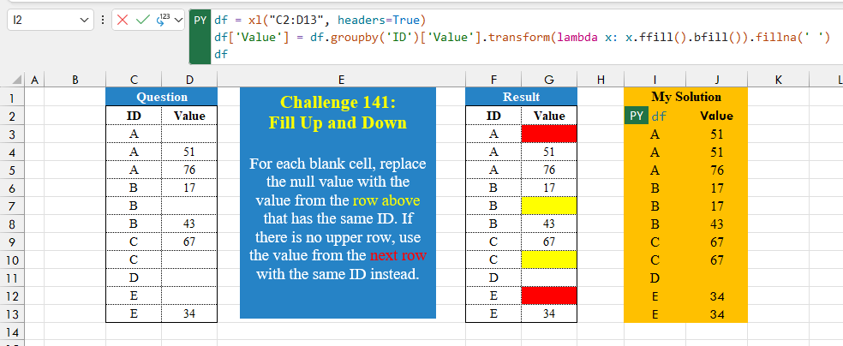
E |  | E
E | 34 | E | 34

ID | Value
A | 51
A | 51
A | 76
B | 17
B | 17
B | 43
C | 67
C | 67
D
E | 34
E | 34

A | 51 | 51
A | 76 | 17
B | 17 | 67
B | 43
C | 67 | 34
E | 34

Alt2
Challenge 141:
Fill Up and Down
For each blank cell, replace the null value with the value from the row above that has the same ID. If there is no upper row, use the value from the next row with the same ID instead.
Question |  | Result |  |  |  | https://www.linkedin.com/feed/update/urn:li:activity:7261120376741486592/
ID | Value | ID | Value
A |  | A
A | 51 | A | 51
A | 76 | A | 76
B | 17 | B | 17
B |  | B
B | 43 | B | 43
C | 67 | C | 67
C |  | C
D |  | D
E |  | E
E | 34 | E | 34

ID | Value | Question |  | Value | A
A | 51 | ID |  | 0 | A
A | 51 | A |  | 51 | A
A | 76 | A |  | 76 | B
B | 17 | A |  | 17 | B
B | 17 | B |  | 17 | B
B | 43 | B |  | 43 | C
C | 67 | B |  | 67 | C
C | 67 | C |  | 67 | D
D |  | C |  | 0 | E
E | 34 | D |  | 0 | E
E | 34 | E |  | 34 | 0

